Sheet1
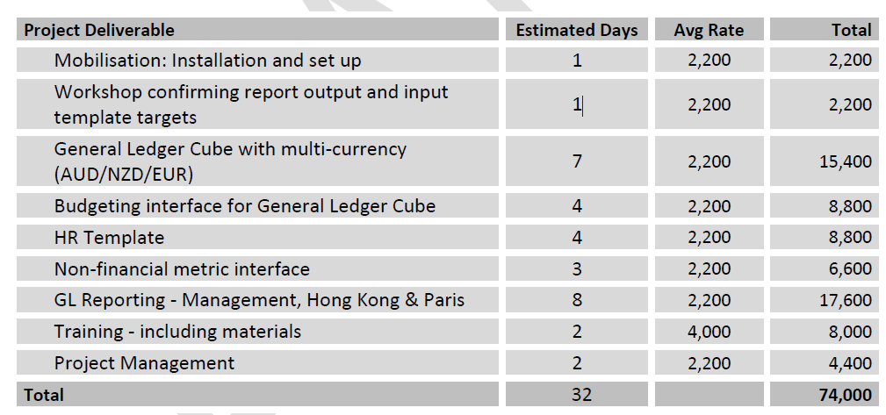
Project Deliverable Estimated Days Avg Rate Total

 |  |  | here we are then

 | 1 | $2,200 | $2,200 | $-
 | 1 | $2,200 | $2,200 | $-
 | 7 | $15,400 | $15,400 | $-
 | 4 | $8,800 |  | $8,800
 | 4 | $8,800 |  | $8,800
 | 3 | $6,600 |  | $6,600
 | 8 | $17,600 | $4,400 | $13,200
 | 2 | $8,000 | $2,000 | $6,000
 | 2 | $4,400 | $2,200 | $2,200
 |  | $74,000 | $28,400 | $45,600
 |  |  | $50,500
 |  |  | $78,900
 |  |  | $75,000
 |  |  | $3,900

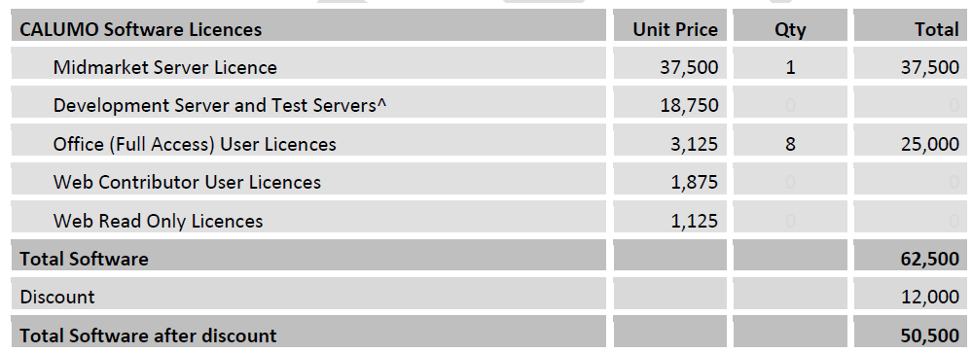

 |  |  |  |  | 62,500
 |  |  |  |  | 12,000 | 19%
 |  |  |  |  | 50,500
 |  |  |  |  | 3,900
 |  |  |  |  | 46,600 | 15,900 | 25%

